Sheet1
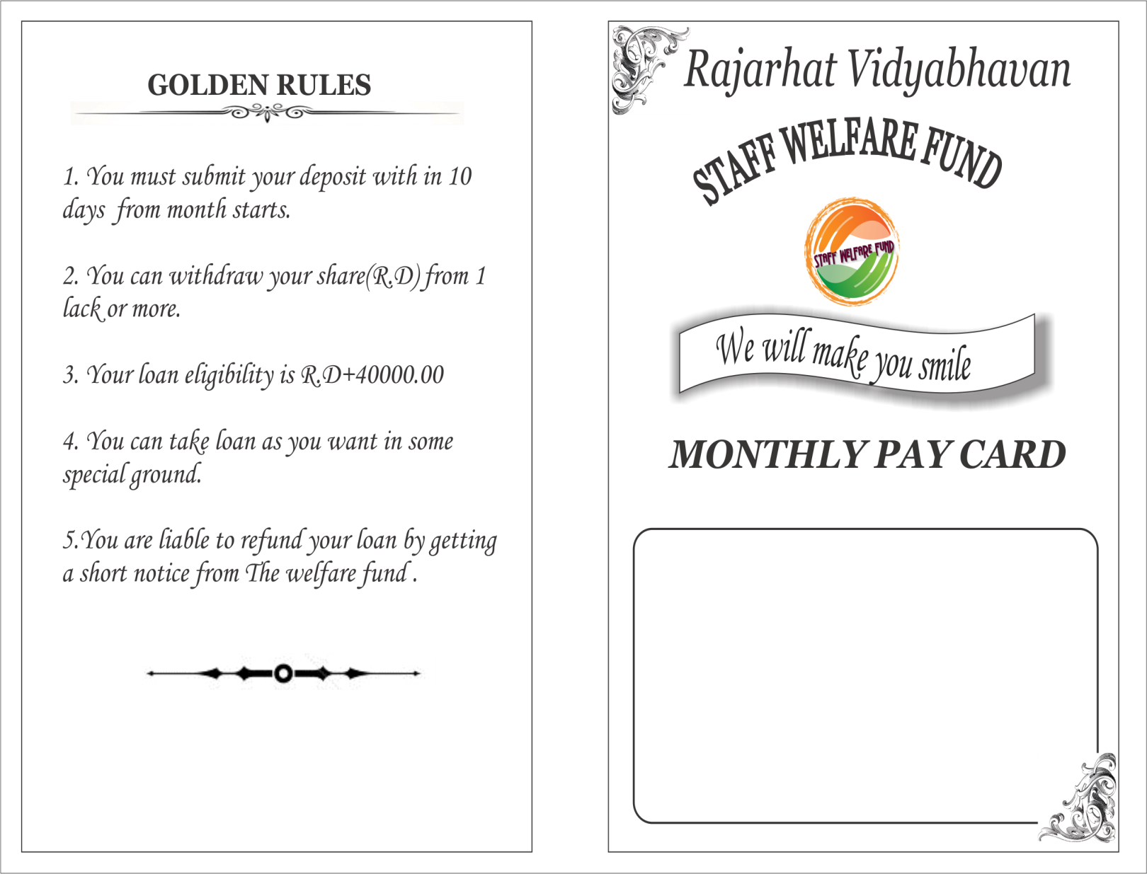
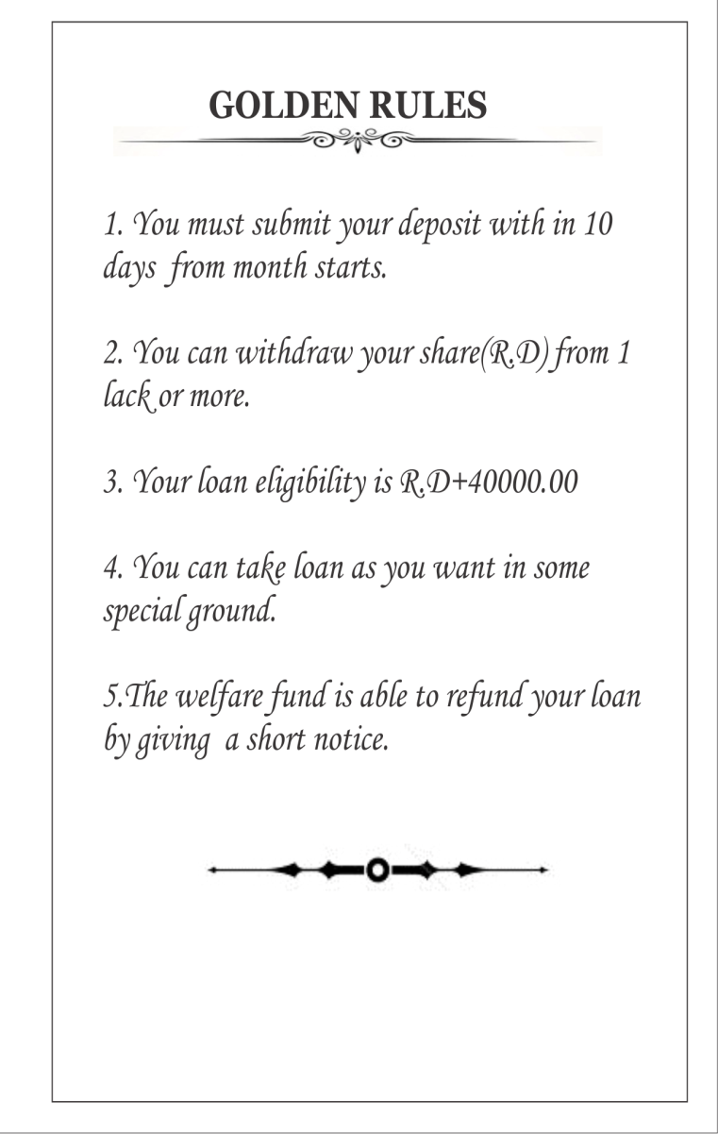

Name: |  | Kakali Dutta |  |  |  |  |  |  |  | STAFF WELFARE FUND

MONTHLY PAY CARD
Month | Loan | Prin. | Intt. | R.D | P.A | Total | Signature | Remarks |  |  | RAJARHAT VIDYABHAVAN HIGH SCHOOL(H.S)
April |  |  |  | 500.00 |  |  |  |  |  | Vill: TENGONMARI . P.O: RAJARHAT. Dist: COOCH BEHAR . Pin: 736165
 |  |  |  |  |  |  |  |  |  |  | MONTHLY PAY CARD
May |  |  |  | 500.00

June |  |  |  | 500.00 |  |  |  |  | NAME :

July |  |  |  | 500.00

August |  |  |  | 500.00 |  |  |  |  |  |  |  | GOLDEN RULES

September |  |  |  | 500.00 |  |  |  |  | 1. You must submit your deposit with in 10 days from month starts.
 |  |  |  |  |  |  |  |  | 2. You can withdraw your share(R.D) from 1 lack or more.
October |  |  |  | 500.00 |  |  |  |  | 3. Your loan eligibility is R.D+40000
 |  |  |  |  |  |  |  |  | 4. You can take loan as you want in some special ground.
Name:
November |  |  |  | 500.00 |  |  |  |  | 5.The welfare fund is able to refund your loan bu giving a short notice.

Kakali Dutta
December |  |  |  | 500.00

January |  |  |  | 500.00 |  |  |  |  |  |  | I do here by obey all the rules listed upon.
Session: 2021-2022
February |  |  |  | 500.00
 |  |  |  |  |  |  |  |  |  |  |  | Full Signature
March |  |  |  | 500.00

 |  |  |  |  |  |  |  |  | 4

